COVER
ZICOM
 |  |  |  |  |  | CONSORTIUM OF
 |  |  |  |  |  | SINOPEC PETROLEUM ENGINEERING CORPORATION.
 |  |  |  |  |  | AND
 |  |  |  |  |  | ZICOM EQUIPMENT PTE. LTD.
BANGLADESH PETROLEUM EXPLORATION & PRODUCTION CO. LTD.
 |  |  |  |  |  | 29 Tuas Avenue 3 Singapore 639420 |  |  |  | Tel | : +65 6865 1765
 |  |  |  |  |  | E-mail | : zepl@zicomgroup.com |  |  | Fax | : +65 6865 1764

ELECTRICAL DATA SHEET

 |  |  |  |  |  |  |  | Doc. No: | 240-0301-EMEL-DS00-0005

 |  | Job No. |  | : | 240

 |  | Client |  | : | BANGLADESH PETROLEUM EXPLORATION & PRODUCTION CO. LTD.

 |  | Location |  | : | SRIKAIL GAS FIELD, BANGLADESH

 |  | Item No. |  | : | -

 |  | Description |  | : | LIGHTING SYSTEM

 |  | Project Title. |  | : | 60 MMSCFD GLYCOL DEHYDRATION TYPE GAS PROCESS PLANT

 |  | Year Built |  | : | 2015

A | 12-May-15 |  | 8 | ISSUED FOR APPROVAL |  |  |  |  |  | AS | MH | VG
Rev. | Date |  | Page | Description of Revision |  |  |  |  |  | Prepared | Checked | Approved

TELESCOPIC TOWER
BANGLADESH PETROLEUM EXPLORATION & PRODUCTION CO. LTD.
ZICOM
 |  | ELECTRICAL DATASHEET
CONSORTIUM OF
SINOPEC PETROLEUM ENGINEERING CORPORATION
AND
ZICOM EQUIPMENT PTE. LTD.

USER | BANGLADESH PETROLEUM EXPLORATION & PRODUCTION CO. LTD. |  | DOC NO. | 240-0301-EMEL-DS00-0005 | REV : A
LOCATION | SRIKAIL GAS FIELD, BANGLADESH |  | SERVICE | Plant Light
PROJECT | 60 MMSCFD GLYCOL DEHYDRATION TYPE GAS PROCESS PLANT |  | TAG NO. | 02-L-0101, 02-L-0102, 02-L-0103
JOB NO. | 240 |  | QUANTITY | 3 Sets

GENERAL | 1 | Name | Telescopic Light
 | 2 | Tag No. | 02-L-0101, 02-L-0102, 02-L-0103
 | 3 | Quantity | 3 sets. (3 light per tower)
 | 4 | Service | Plant Light
 | 5 | Installation Location | Outdoor
 | 6 | Cable | PVC Insulation
 | 7 | Type of Lamp | Sodium Vapor Lamp
RATED | 8 | Input Voltage | 230 VAC
 | 9 | Frequency | 50 Hz
 | 10 | Phase | Single Phase
 | 11 | Power | 3 numbers 400 Watt Explosion proof sodium light assembly at top
STRUCTURE | 12 | Mast Operation | Pneumatic
 | 13 | Mounting Type | Pole
 | 14 | Light Pole Height | 15 meter
 | 15 | Light Pole Shape | Circle taper rod Polygon taper rod VTA
 | 16 | Angle Between Lamps (Deg) | 30 90 120
 | 17 | Refractor | Yes
 | 18 | Degree of Explotion-Proof | Exd IIB T4
 | 19 | Degree of Protection | IP65
OTHERS | 20 | Dimension | VTA
 | 21 | Weight | VTA
 | 22 | Manufacturer for Light Shed | USA/EU(GE, ABB, Legrand, Siemens, Philips)
 | 23 | Junction box | Explosion Proof, 4way
 | 24 | Anchoring Bolt | Yes
 | 25 | Gland | VTA

STREET LIGHT
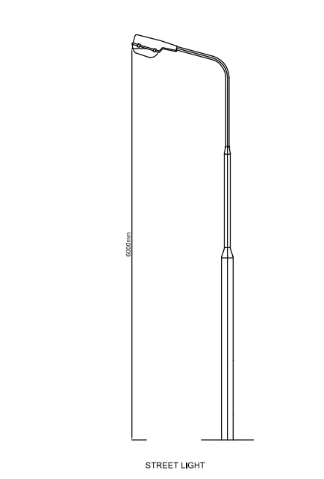
BANGLADESH PETROLEUM EXPLORATION & PRODUCTION CO. LTD.
ZICOM
 |  | ELECTRICAL DATASHEET
CONSORTIUM OF
SINOPEC PETROLEUM ENGINEERING CORPORATION
AND
ZICOM EQUIPMENT PTE. LTD.

USER | BANGLADESH PETROLEUM EXPLORATION & PRODUCTION CO. LTD. |  | DOC NO. | 240-0301-EMEL-DS00-0005 | REV : A
LOCATION | SRIKAIL GAS FIELD, BANGLADESH |  | SERVICE | Lighting Street
PROJECT | 60 MMSCFD GLYCOL DEHYDRATION TYPE GAS PROCESS PLANT |  | TAG NO. | 02-L-0104/0105/0106/0107/0108/0109
JOB NO. | 240 |  | QUANTITY | 6 Sets

GENERAL | 1 | Name | Street Light
 | 2 | Tag No. | 02-L-0104, 02-L-0105, 02-L-0106, 02-L-0107, 02-L-0108, 02-L-0109
 | 3 | Quantity | 6 Sets
 | 4 | Service | Lighting Street
 | 5 | Installation Location (Zone) | Outdoor
 | 6 | Cable | PVC Insulation
 | 7 | Type of Lamp | Sodium Vapor Lamp
RATED | 8 | Input Voltage | 230 VAC
 | 9 | Frequency | 50 Hz
 | 10 | Phase | Single Phase
 | 11 | Power | 150W
STRUCTURE | 12 | Housing | VTA
 | 13 | Mounting Type | Pole
 | 14 | Light Pole Height | 6 meter
 | 15 | Lamp Pole | Single Arm Double Arm
 | 16 | Refractor | Yes
 | 17 | Degree of Explotion-Proof | Exd IIB T4
 | 18 | Degree of Protection | IP65
OTHERS | 19 | Dimension | VTA
 | 20 | Weight | VTA
 | 21 | Manufacturer for Light Shed | USA/EU(GE, ABB, Legrand, Siemens, Philips)
 | 22 | Junction box | Explosion Proof, 4way
 | 23 | Anchoring Bolt | Yes
 | 24 | Gland | VTA

Pipe Rack Light
BANGLADESH PETROLEUM EXPLORATION & PRODUCTION CO. LTD.
ZICOM
 |  | ELECTRICAL DATASHEET
CONSORTIUM OF
SINOPEC PETROLEUM ENGINEERING CORPORATION
AND
ZICOM EQUIPMENT PTE. LTD.

USER | BANGLADESH PETROLEUM EXPLORATION & PRODUCTION CO. LTD. |  | DOC NO. | 240-0301-EMEL-DS00-0005 | REV : A
LOCATION | SRIKAIL GAS FIELD, BANGLADESH |  | SERVICE | Pipe Rack Lighting
PROJECT | 60 MMSCFD GLYCOL DEHYDRATION TYPE GAS PROCESS PLANT |  | TAG NO. | Mentioned Below
JOB NO. | 240 |  | QUANTITY | 16 Nos.

GENERAL | 1 | Name | PIpe Rack Light
 | 2 | Tag No. | 02-L-0110, 02-L-0111, 02-L-0112, 02-L-0113, 02-L-0114, 02-L-0115,
 |  |  | 02-L-0116,02-L-0117, 02-L-0118, 02-L-0119, 02-L-0120,
 |  |  | 02-L-0121 + 4 Nos. Spare
 | 3 | Quantity | 16 Nos.
 | 4 | Service | Pipe Rack Lighting
 | 5 | Installation Location (Zone) | Zone 2
 | 6 | Cable | PVC Insulation
 | 7 | Type of Lamp | Sodium Vapor Lamp
RATED | 8 | Input Voltage | 230 VAC
 | 9 | Frequency | 50 Hz
 | 10 | Phase | Single Phase
 | 11 | Power | 100W
STRUCTURE | 12 | Housing | VTA
 | 13 | Mounting Type | Pole
 | 15 | Lamp Pole | Single Arm Double Arm
 | 16 | Refractor | Yes
 | 17 | Degree of Explotion-Proof | Exd IIB T4
 | 18 | Degree of Protection | IP65
OTHERS | 19 | Dimension | VTA
 | 20 | Weight | VTA
 | 21 | Manufacturer for Light Shed | USA/EU(GE, ABB, Legrand, Siemens, Philips)
 | 22 | Junction box | Explosion Proof, 4way
 | 23 | Gland | VTA

Exit Light
BANGLADESH PETROLEUM EXPLORATION & PRODUCTION CO. LTD.
ZICOM
 |  | ELECTRICAL DATASHEET
CONSORTIUM OF
SINOPEC PETROLEUM ENGINEERING CORPORATION
AND
ZICOM EQUIPMENT PTE. LTD.

USER | BANGLADESH PETROLEUM EXPLORATION & PRODUCTION CO. LTD. |  | DOC NO. | 240-0301-EMEL-DS00-0005 | REV : A
LOCATION | SRIKAIL GAS FIELD, BANGLADESH |  | SERVICE | Exit Light
PROJECT | 60 MMSCFD GLYCOL DEHYDRATION TYPE GAS PROCESS PLANT |  | TAG NO. | N/A
JOB NO. | 240 |  | QUANTITY | 9 Nos.

GENERAL | 1 | Name | Exit Light
 | 2 | Tag No. | N/A
 | 3 | Quantity | 9 Nos.
 | 4 | Service | Exit Door
 | 5 | Installation Location (Zone) | Indoor
 | 6 | Cable | PVC Insulation
 | 7 | Type of Lamp | VTA
RATED | 8 | Input Voltage | 230 VAC
 | 9 | Frequency | 50 Hz
 | 10 | Phase | Single Phase
 | 11 | Power | VTA
 | 11 | Back up Battery | Yes
STRUCTURE | 12 | Housing | VTA
 | 13 | Mounting Type | Wall mounted
 | 16 | Refractor | Yes
OTHERS | 17 | Dimension | VTA
 | 18 | Weight | VTA
 | 19 | Manufacturer | Reputed
 | 20 | Gland | VTA

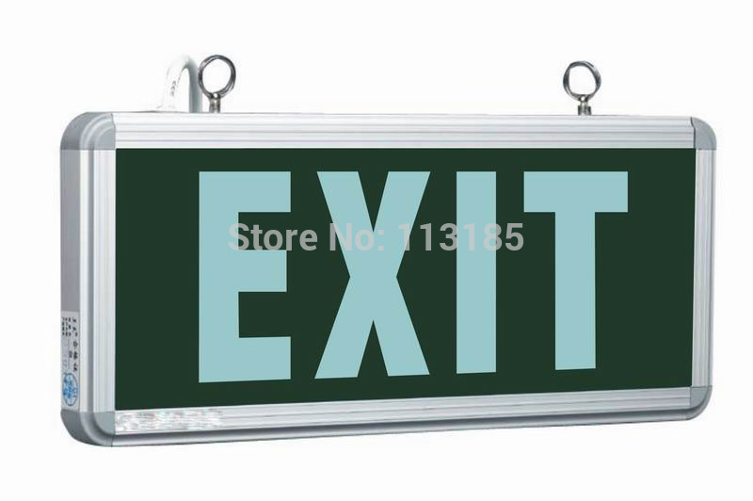

Exit Light

Emergency Light
BANGLADESH PETROLEUM EXPLORATION & PRODUCTION CO. LTD.
ZICOM
 |  | ELECTRICAL DATASHEET
CONSORTIUM OF
SINOPEC PETROLEUM ENGINEERING CORPORATION
AND
ZICOM EQUIPMENT PTE. LTD.

USER | BANGLADESH PETROLEUM EXPLORATION & PRODUCTION CO. LTD. |  | DOC NO. | 240-0301-EMEL-DS00-0005 | REV : A
LOCATION | SRIKAIL GAS FIELD, BANGLADESH |  | SERVICE | Emergency Lighting
PROJECT | 60 MMSCFD GLYCOL DEHYDRATION TYPE GAS PROCESS PLANT |  | TAG NO. | N/A
JOB NO. | 240 |  | QUANTITY | 13 Nos.

GENERAL | 1 | Name | Emergency Light
 | 2 | Tag No. | N/A
 | 3 | Quantity | 13 Nos.
 | 4 | Service | Emergency Lighting
 | 5 | Installation Location (Zone) | Indoor
 | 6 | Installation Mode | Wall Hanging
 | 7 | Type of Lamp | Rechargeable Emergency Light
 | 8 | Emergency Time | 5-6 Hours
RATED | 9 | Input Voltage | 230 VAC
 | 10 | Frequency | 50 Hz
 | 11 | Phase | Single Phase
 | 12 | Power | VTA
 | 13 | Back up Battery | Yes
 | 14 | Battery | Lead Acid
 | 15 | Capacity | VTA
STRUCTURE | 16 | Housing | VTA
 | 17 | Mounting Type | Wall mounted
 | 18 | Refractor | Yes
OTHERS | 19 | Dimension | VTA
 | 20 | Weight | VTA
 | 21 | Manufacturer | Reputed
 | 22 | Gland | VTA

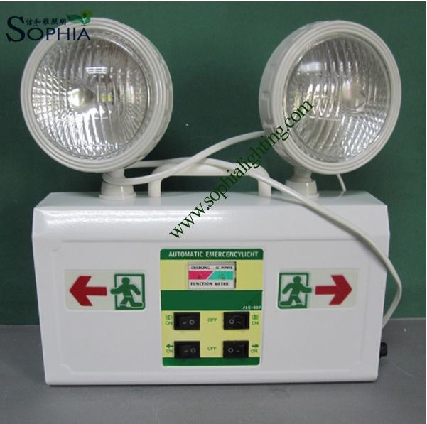

Rechargable Emergency Light

Shed Light
ZICOM
 |  | ELECTRICAL DATASHEET
BANGLADESH PETROLEUM EXPLORATION & PRODUCTION CO. LTD.
CONSORTIUM OF
SINOPEC PETROLEUM ENGINEERING CORPORATION
AND
ZICOM EQUIPMENT PTE. LTD.

USER | BANGLADESH PETROLEUM EXPLORATION & PRODUCTION CO. LTD. |  | DOC NO. | 240-0301-EMEL-DS00-0005 | REV : A
LOCATION | SRIKAIL GAS FIELD, BANGLADESH |  | SERVICE | Shed Lighting for Loading Arm
PROJECT | 60 MMSCFD GLYCOL DEHYDRATION TYPE GAS PROCESS PLANT |  | TAG NO. | Mentioned Below
JOB NO. | 240 |  | QUANTITY | 10 Nos.

GENERAL | 1 | Name | Shed Light
 | 2 | Tag | 02-L-0122, 02-L-0123, 02-L-0124, 02-L-0127, 02-L-0128 + 5 Nos. Spare
 | 3 | Quantity | 10 Nos.
 | 4 | Service | Shed Lighting for Loading arm
 | 5 | Installation Location (Zone) | Zone 2
 | 6 | Cable | PVC Insulation
 | 7 | Type of Lamp | Fluorescent Tube
 | 8 | No. of Lamp each shed | 2 (Two)
RATED | 9 | Input Voltage | 230 VAC
 | 10 | Frequency | 50 Hz
 | 11 | Phase | Single Phase
 | 12 | Lamp Power | 2 x 18 Watt
STRUCTURE | 13 | Housing | VTA
 | 14 | Mounting Type | Wall Mounted
 | 15 | Refractor | Yes
 | 16 | Degree of Explotion-Proof | Exd IIB T4
 | 17 | Degree of Protection | IP65
OTHERS | 18 | Dimension | VTA
 | 19 | Weight | VTA
 | 20 | Manufacturer | Reputed
 | 21 | Junction box | Explosion Proof, 4way
 | 22 | Gland | VTA

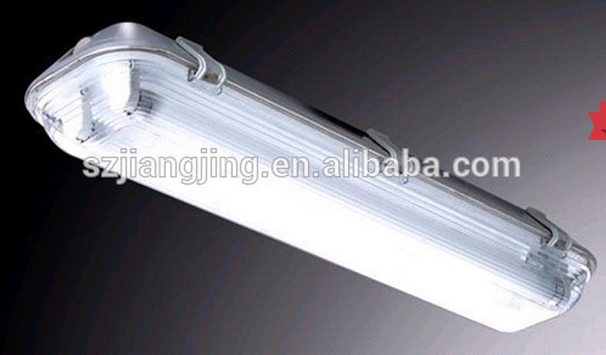

Shed Light

Loading Arm Shed Light
BANGLADESH PETROLEUM EXPLORATION & PRODUCTION CO. LTD.
ZICOM
 |  | ELECTRICAL DATASHEET
CONSORTIUM OF
SINOPEC PETROLEUM ENGINEERING CORPORATION
AND
ZICOM EQUIPMENT PTE. LTD.

USER | BANGLADESH PETROLEUM EXPLORATION & PRODUCTION CO. LTD. |  | DOC NO. | 240-0301-EMEL-DS00-0005 | REV : A
LOCATION | SRIKAIL GAS FIELD, BANGLADESH |  | SERVICE | Shed Lighting for Loading Arm
PROJECT | 60 MMSCFD GLYCOL DEHYDRATION TYPE GAS PROCESS PLANT |  | TAG NO. | Mentioned Below
JOB NO. | 240 |  | QUANTITY | 2 Nos.

GENERAL | 1 | Name | Shed Light (Loading Arm)
 | 2 | Tag | 02-L-0125, 02-L-0126
 | 3 | Quantity | 2 Nos.
 | 4 | Service | Shed Lighting for Loading Arm
 | 5 | Installation Location (Zone) | Zone 2
 | 6 | Cable | PVC Insulation
 | 7 | Type of Lamp | Sodium Vapor Lamp
RATED | 8 | Input Voltage | 230 VAC
 | 9 | Frequency | 50 Hz
 | 10 | Phase | Single Phase
 | 11 | Power | 200W
STRUCTURE | 12 | Housing | VTA
 | 13 | Mounting Type | Bracket Mounted
 | 16 | Refractor | Yes
 | 17 | Degree of Explotion-Proof | Exd IIB T4
 | 18 | Degree of Protection | IP65
OTHERS | 19 | Dimension | VTA
 | 20 | Weight | VTA
 | 21 | Manufacturer for Light Shed | USA/EU(GE, ABB, Legrand, Siemens, Philips)
 | 22 | Junction box | Explosion Proof, 4way
 | 23 | Gland | VTA

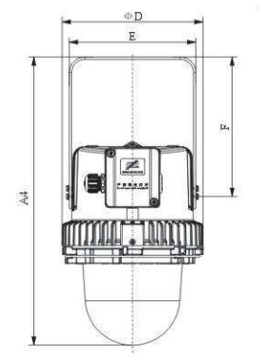

Shed Light for Loading Arm

